CEMENT BASED BOARDS
PRODUCT/SOLUTION NAME | RESOURCE | ADDITIONAL INFORMATION
StoneREX | https://stonerex.com/products/fireproof-fire-resistant-board/ | belongs to the best fire classification A1
 |  | StoneREX Fireproof installation is easy. The board can be cut with normal wood cutting tools. The board can be cut by just making a cutting line and by bending the board along the line. The boards are installed with sunk head screws (42)(25-45mm) in order to allow utilizing fillers and surface materials
 |  | Fiber cement boards are resistant to mold and insects and have very good fire resistance class – from A1 to B2

Kemwell fire boards (cement/calcium silicate) | https://www.kemwell-fire.com/ | Download overview brochure
Calcium Silicate Fibre Cement Board | https://www.kemwell-fire.com/fibre-cement-board/ | it is primarily used as an external sheathing board on both metal and timber structures of all types of façade solutions, including; residential, commercial and industrial buildings, as well as, schools and hospitals
 | https://www.hocre-board.com/difference-fiber-cement-board-calcium-silicate-board.html | Their fire retardant performance is good due to their low calorific value
 | http://www.yunionboard.com/product-showcase/fiber-cement-products/

20-20 Fibre Cement Board | https://www.resistant.co.uk/products/20-20-fibre-cement-board/

Promat Supalux | https://www.promat.co.uk/en-gb/products/supalux | calcium silicate board re-inforced with fibres
 |  | It is one of only a few boards to combine resistance to humidity, mechanical strength and fire resistance.
 |  | our calcium silicate materials for fire protection are mostly used in fire doors and frame profiles, smoke and fire dampers, partition walls, floors, ceilings, and non-combustible furniture for marine

Promat Masterboard | https://www.promat.co.uk/en-gb/products/masterboard | 6mm Promat MASTERBOARD is made from calcium silicate reinforced with selected fibres and fillers. It is formulated without inorganic fibres and does not contain formaldehyde and is BBA approved (certificate No 90/2500)
 |  | Calcium silicate board mainly consists of inorganic material such as silica sand, Portland cement, cellulose and water. It is widely used as an alternative to gypsum and asbestos cement board that have some disadvantages

Promat Vermiculux | https://pdf.archiexpo.com/pdf/promat/vermiculux/58313-159223.html | Provision of fire protection to structural steelwork
 |  | VERMICULUX®-S is used to protect one, two, three or four sided encasementst to universal columns and beams, jopists and RSJs, structural hollow sections, bracing, lattice beams, paertially exposed members, perimeter beams, beams supporting composite floors with profiled metal decking and wind posts.
 |  | VERMICULUX® is designed to provide fire protection to structural steelwork without the use of adhesives or the need to prime or clean the steel. It is also suitable for the construction of ducts and duct casings.

Skamowall boards | https://www.ecomerchant.co.uk/walls/skamowall-calcium-silicate-board-system-insulation-and-mould-control/skamowall-board-1-000mm-x-600mm-x-25mm-or-50mm.html | Mainly for apartment walls

OVERVIEW OF TYPES OF CEMENT BOARDS, THEIR PROPERTIES AND APPLICATIONS

CALCIUM SILICATE PROPERTIES

Calcium silicate fire protection at a glance
Very low thermal conductivity
Very stable mechanical integrity
Low shrinkage (less than 2%)
Non-combustible
Protects against corrosion
Impact resistant
Moisture resistant
Environmentally friendly and safe
Compliant with international fire protection standards
Suitable for complex 2D and 3D shapes
Easy to shape, handle and install
Low or no maintenance

Cement Board Type | Properties | Applications
Fibre cement board (FCB) | • Durable and impact resistant. | • Roofing, shingles and shales.
 | • Resistant to fire, moisture and decay. | • Exterior and partition walls.
 | • Can be printed on. | • Flooring, underlay and tile-backing.
 | • Can be expensive. | • Prefabricated houses.
 | • Relatively easy to handle due to low weight. | • Façades, weatherboard and cladding.
Wood wool cement board (WWCB) | • Low bending strength and elasticity. | • Flooring, underlay and tile-backing.
 | • Resistant to fire, moisture, fungus, vermin and freeze-thaw. | • Roofing, shingles and shales.
 | • Easy to handle and transport due to very low weight. | • Permanent shuttering.
 | • Low cost. | • Prefabricated houses.
 |  | • Acoustic and thermal insulation.
 |  | • Fire resistant construction.
 |  | • Ceilings and architraves.
Cement bonded particle board (CBPB) | • High expansion/shrinkage properties when exposed to moisture. | • Prefabricated houses.
 | • Durable and impact resistant. | • Roofing, shingles and shales.
 | • Resistant to fire, wood-boring insects and fungi. | • Permanent shuttering.
 |  | • Exterior and partition walls.
 |  | • Soffits, ceilings and architraves.
 |  | • Production of fire and moisture resistant furniture.
 |  | • Façades, weatherboard and cladding.
Wood strand cement board (WSCB) | • High bending strength and elasticity. | • Flooring, underlay and tile-backing.
 | • Durable and impact resistant. | • Roofing, shingles and shales.
 | • Resistant to fire, moisture, fungus, vermin and freeze-thaw. | • Permanent shuttering.
 | • Low cost. | • Prefabricated houses.
 | • Relatively easy to handle due to low weight. | • Exterior and partition walls.
 |  | • Acoustic and thermal insulation.
 |  | • Fire resistant construction.
 |  | • Façades, weatherboard and cladding.

IMPORTANT INFORMATION REGARDING THE USE OF CEMENT BASED BOARDS IN THE CONSTRUCTION SECTOR

Cement boards are made of mixtures of cement, water and either reinforcing fibres or particles. The resulting mix is formed into sheets or continuous mats, stacked (and/or pressed), dried and trimmed to size.

Typical cement board applications vary widely between the different board types due to the variable properties of each, but commonly include:

Tile substrates, flooring and underlay,
Kitchen counters, backsplashes,
Roofing, shingles and shales,
Weatherboard, façade, cladding,
Prefabricated houses,
Exterior and partition walls,
Acoustic and thermal insulation,
Soffits, ceilings and architraves.

CBPB and FCB are around twice as heavy as gypsum-based board systems, so are expensive and awkward to transport and handle

However multiple sources state that in the absence of a large technological advance CO2 emissions from cement production will remain relatively high

In the EU and UK, the UK has the largest number of cement board producers (Global cement magazine January 2014)

Fibre cement is however porous thereby making it ideal for use in high humidity climates

Cembrit is one of the leading European manufacturers of multi-capability fibre-cement building products. HQs in Denmark (source below):
https://www.cembrit.co.uk/case-studies

SOBEN INTERNATIONAL ECO LTD headquartered in Hong Kong (operates in the UK, source found below abouth passive fire protection boards):
https://www.sobenboard.com/passive-fire-constructions

Soben is the UK’s leading contractor-centric quantity surveying and commercial management consultancy (source on contractors and sub contractors served below):
https://www.sobencc.com/clients/

ETEX BRANDS AVAILABLE IN THE UK (Etex Group is a manufacturer of building materials, it's a private group of companies):

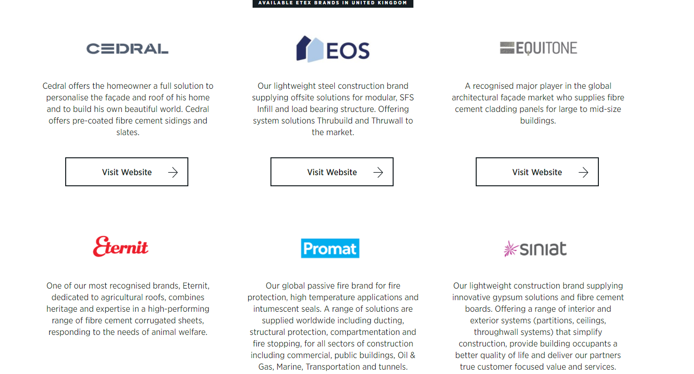

CEMEX is a global company that produces, distributes, and markets cement, ready-mix concrete, aggregates, and related building materials (It's a public company):

RCM building boards and facades - cement based boards (source below):
https://www.buildingboards.co.uk/products/rcm-cemboard/

The difference between Fiber Cement Board and Calcium Silicate Board
Fiber Cement Board and Calcium Silicate Board are the normally decorative building materials, the ingredients in some parts are same. Now we will list the common and different points, please see the contents as below:
Common Points

The ingredients are almost same which include the Silicon sand, Calcium and Fiber
Both are through the pulping, papermaking and molding
The surface and size are same
Application almost same such as Internal and External Wall , Ceiling.
Difference Point

Fiber cement board is made by cement,fiber etc..which through the pulping,papermaking, Finally the machine compressed the molding. Calcium Silicate Board is made by the calcium and fiber which through the papermaking. Finally it is made for the calcium silicate board under the high temperature steaming-compressed.
Raw materials: Calcium Silicate Board used the small cement, Sand and fly ash instead of cement, for fiber cement board, the main raw materials is Portland cement.
Fiber Cement Board must have the compressed machine,calcium silicate board usually don’t have the compressed machine
The fiber cement board color usually is cement color and calcium silicate board usally is white color or grey black color.

FIRE PROTECTION CONTRACTORS AND

CONTRACTOR | SUPPLIERS | CONTRACTOR INFORMATION | SUPPLIER INFORMATION
Aleron Fire protection | Protecta – https://www.polyseam.com/protecta/protecta_en/ | is a privately owned firm specialising in the design, supply and installation of passive fire protection solutions to the commercial and public sectors | ROCKWOOL: ROCKWOOL BEAMCLAD® (ROCKWOOL BEAMCLAD® is manufactured primarily from a melt of volcanic rock and limestone. The molten rock is spun into a wool and immediately impregnated with special resins for handling and shaping. The material is then compressed, cured and formed into boards)
 |  | It's based in Milton Keynes England | PROMAT: MASTERBOARD (6mm Promat MASTERBOARD is made from calcium silicate reinforced with selected fibres and fillers. It is formulated without inorganic fibres and does not contain formaldehyde and is BBA approved (certificate No 90/2500))
 | Rockwool – http://www.rockwool.co.uk | Provide services across london, cambridge, oxford and birmingham | PROMAT: VERMICULUX ( Promat VERMICULUX® is a low density calcium silicate board containing vermiculite and reinforced with selected fibres and fillers. It is formulated without any inorganic fibres. Promat VERMICULUX® is moisture resistant and can be used in sheltered semi-exposed areas)
 |  |  | PROMAT: SUPALUX (Supalux® is a non-combustible fire resistant board capable of 240 minutes fire protection and is made from calcium silicate, reinforced with selected fibres and fillers. It is formulated without inorganic fibres and does not contain formaldehyde. Supalux® is off white in colour and has a smooth sanded surface on one side, with a slightly textured reverse face)
 | FireStopIt – http://www.fsiltd.com |  | FIRETHERM: STONEWOOL SLAB (Supalux® is a non-combustible fire resistant board capable of 240 minutes fire protection and is made from calcium silicate, reinforced with selected fibres and fillers. It is formulated without inorganic fibres and does not contain formaldehyde. Supalux® is off white in colour and has a smooth sanded surface on one side, with a slightly textured reverse face)
 |  |  | FIRETHERM: STONEWOOL SLAB (Supalux® is a non-combustible fire resistant board capable of 240 minutes fire protection and is made from calcium silicate, reinforced with selected fibres and fillers. It is formulated without inorganic fibres and does not contain formaldehyde. Supalux® is off white in colour and has a smooth sanded surface on one side, with a slightly textured reverse face)
 | PFC Corofil – http://www.pfc-corofil.com |  | FIRETHERM: FB750 intubatt (FB750 Intubatt is a lightweight 4 hour fire barrier comprising of a rock mineral fibre board with an uniquely identifiable ablative coating, containing Optifire TM Technology. )

 | Nullifire – http://www.nullifire.com

 | Promat – https://www.promat.co.uk

 | Firetherm – http://www.firetherm.com

 | Jotun – http://www.jotun.com/uk

 | Hilti – https://www.hilti.co.uk

 | Kemwell Thermal – http://www.kemwellthermal.com

 | Siderise (Lamatherm) – http://www.siderise.com

 | Passive Fire Products – https://www.passivefireproducts.com

CLM Fireproofing | look at image below | Projects include the Shard london and the Madison in london | Look at image below
 |  | Focus as structural, compartmentation and remediation fire protection contractors
 |  | installation of passive fire protection, incorporating spray, board, and intumescent systems., firestopping, fireproofing, passive fire protection, intumescent paint, compartmentation, and firesafety
 |  | London and Kent

GBS FIREPROTECTION Ltd | Look at image below | Boarded fire protection systems (increase timescale over which non combustible fire performance is guaranteed - mainly for structural steelwork) and fire barriers (try to incorporate improved acoustic performance too) | Look at image below
 |  | They are based in Ipswich and operate on projects nationwide
 |  | Majority of projects where in london and the south (some in oxfordshire cambridgeshire manchester liverpool and yorkshire)
 |  | Their key criteria for doing business include competitive pricing, timely delivery of their offerings and optimum materials used in the construction projects
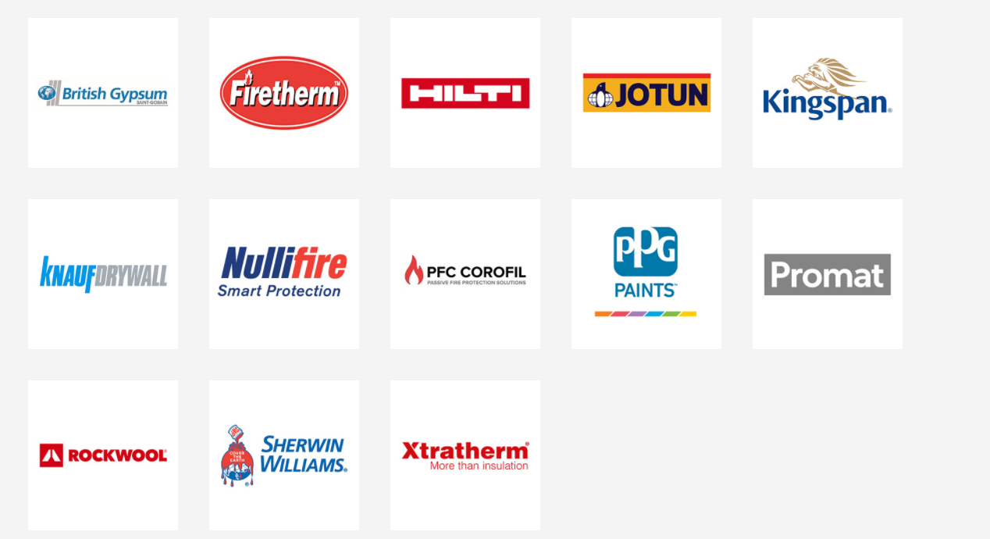

Gunfire branch of the Gunite group | - | UCL appoints Gunfire as primary fire prevention contractor | -
 |  | Gunfire offers a comprehensive range of fire stopping solutions to ensure that walls, roofs, floors, service risers and voids retain their fire resistance.

OD (O'Brien DEVELOPMENTS) FIRE PROTECTION | LOOK AT IMAGE BELOW | Their services include thermal insulation, fire stopping, fire encasements and fire doors | LOOK AT IMAGE BELOW
 |  | It's based in Tottenham London

PLASTER AND CEMENT DEMAND
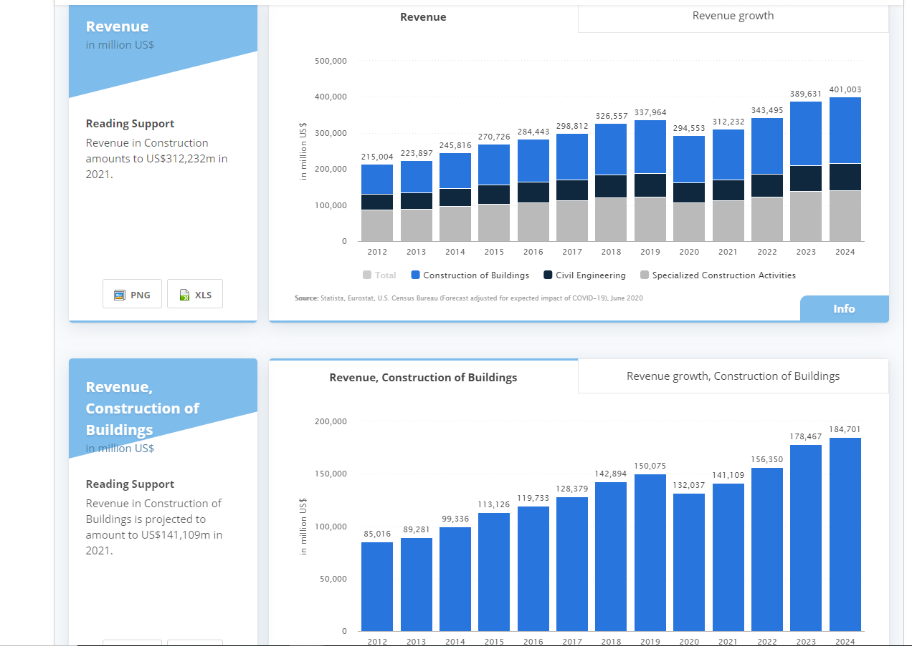
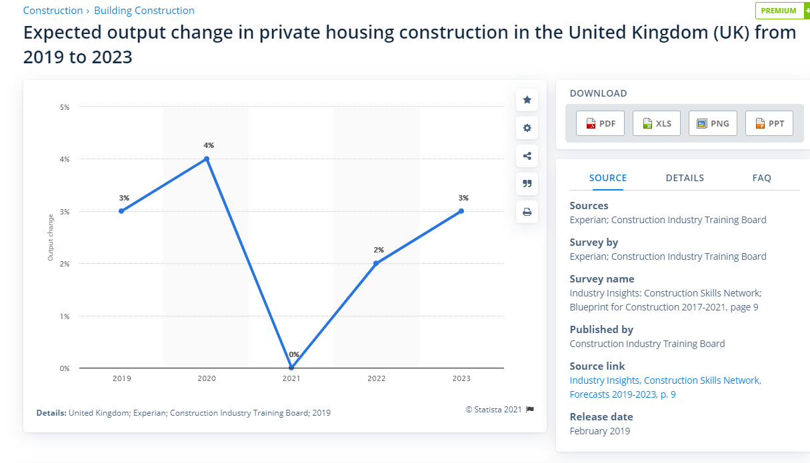
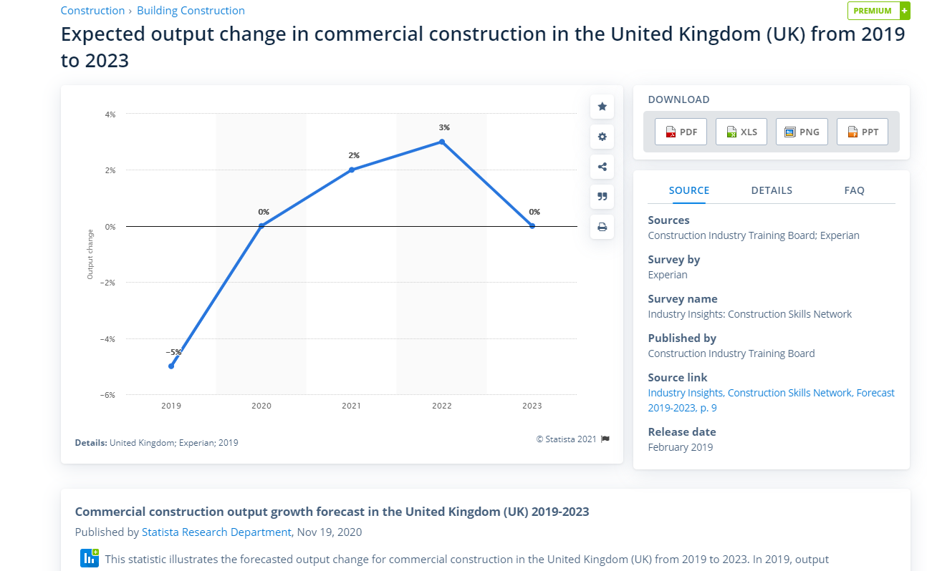
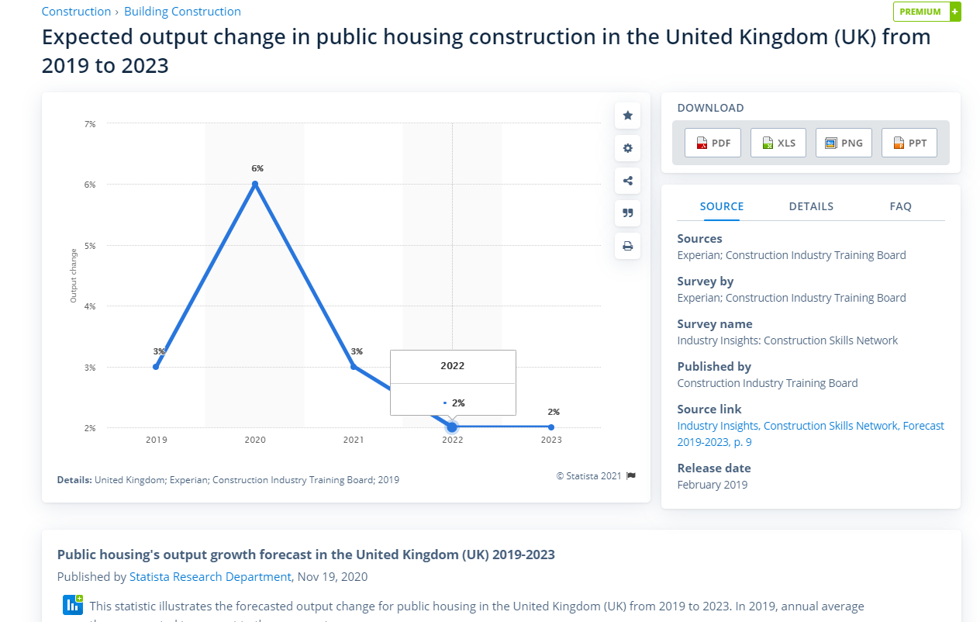
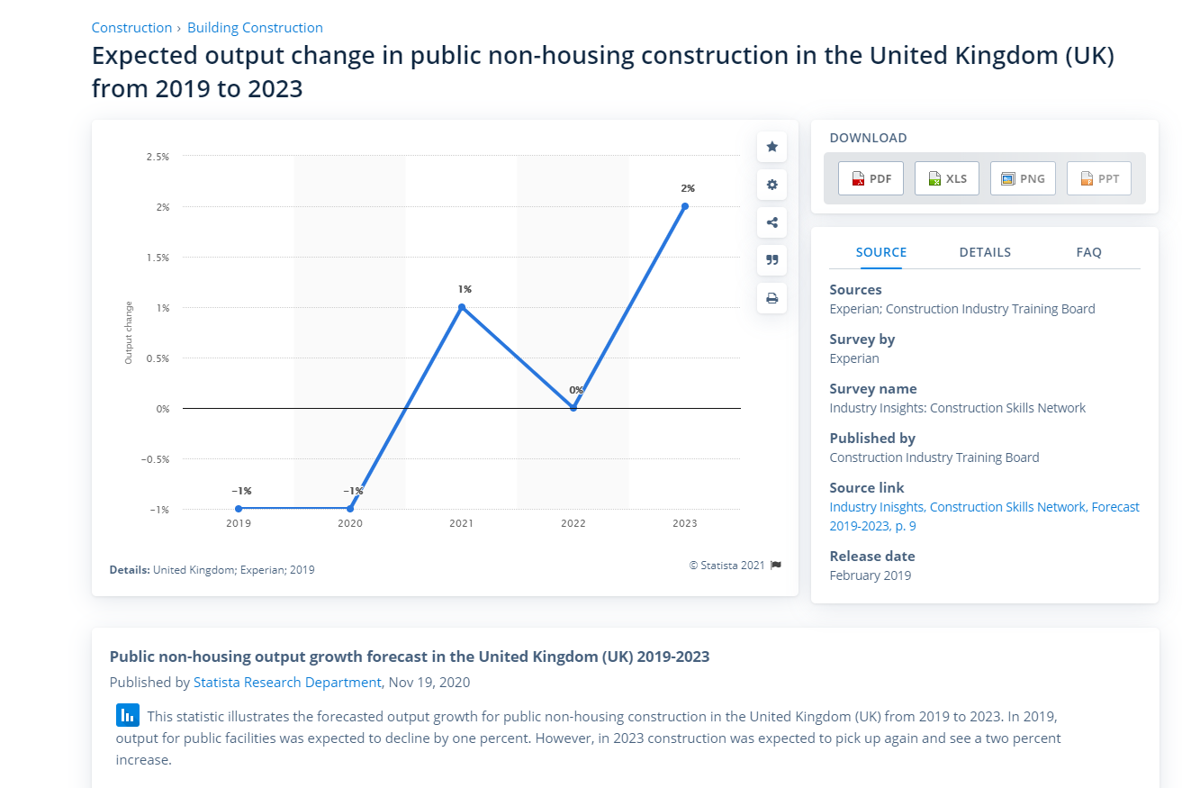
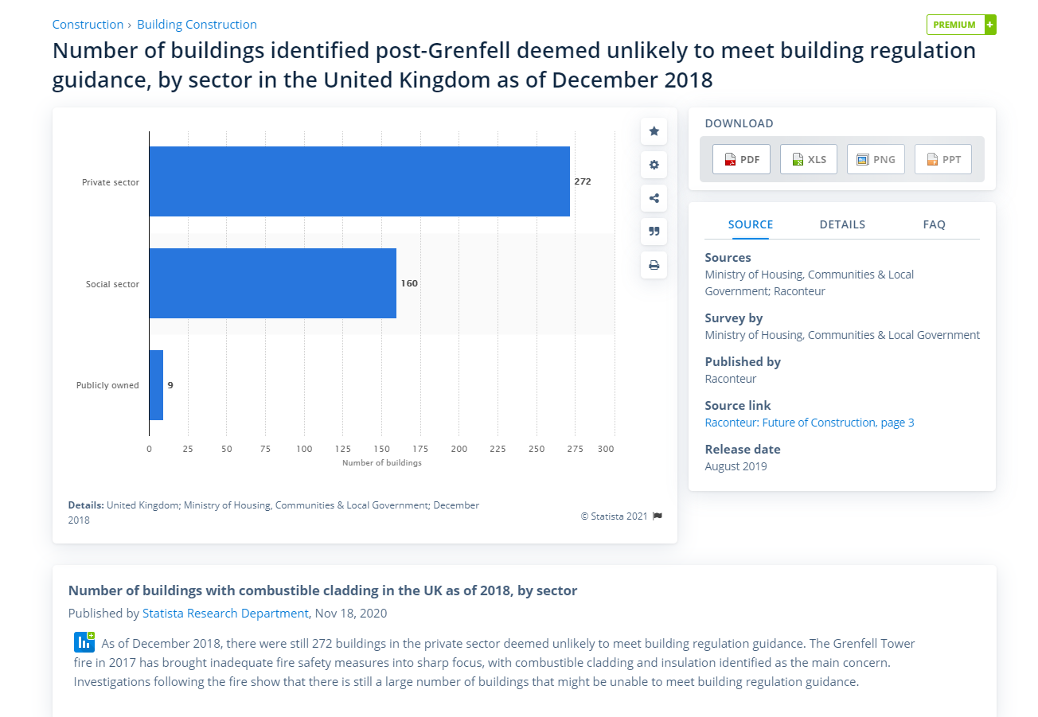
PLASTER
https://my-ibisworld-com.proxy.jbs.cam.ac.uk/uk/en/industry/c23.620/products-and-markets
HOUSING (PRIVATE AND SOCIAL - RESIDENTIAL)
Dwelling units tend to have more rooms and internal walls, relative to commercial premises such as offices, whereby these walls are uniformly clad in plasterboard or fibrous plaster products
Since the EU referendum, however, widespread market uncertainties have slowed both construction activity and demand for building plaster products
Trends towards using large expanses of flat glass in modern commercial buildings and apartments limit the requirement for wall cladding and hence reduces the potential applications of plasterboard
Most building plaster product sales are made through wholesalers to tradesmen, such as plasterers, or supplied to homebuilders and property developers responsible for procuring project materials
However, the share of industry revenue attributable to the commercial market has declined due to a substitution trend towards using large expanses of flat glass in modern commercial developments which limits the requirement for plasterboard wall cladding
In the housebuilding market, significant demand flows from new developments where plaster products are used for internal wall cladding and ceilings. Against a backdrop of sustained policy support, the new residential construction market has accounted for an increasing share of industry revenue over the past five-year period
DEMAND ACTIVITY SEGMENTS (NEW RESIDENTIAL, COMMERCIAL, RENOVATION RESIDENTIAL AND DIY) - AVOID RENOVATION AND DIY REQUIRING THE POPULAR USE OF PRE MIXED AND BAGGED PLASTER
Other important regions for plaster product manufacturing include the East Midlands, where Saint-Gobain's plasterboard and plaster-based drylining manufacturing business British Gypsum is headquartered; and the South West, where Etex Building Performance is headquartered. Etex also has a manufacturing facility in Yorkshire
Housebuilders prioritised existing sites (reactivated) and opened fewer new sites (private housing)
The pandemic has disrupted the flow of planning applications and local authority decision making processes (this decline follows progressive growth in approvals over the past 5 years that provides a strong development pipeline of approved scheme
Appears to be a shift in buyer interest out of larger cities towards smaller towns and villages (shift in part reflects extended lockdowns concerns and the desire to have access to open space) + appears to be a change in lifestyle expectations post covid as some households contemplate a move to the country , more remote working and less frequent but longer commutes to the office.
Regarding social housing - increased anticipated investment by housing associations + government is already funding the replacement of unsafe ACM cladding on social sector properties ( apartments and housing with the highest share of the projected value of underlying social housing starts
INDUSTRIAL CONTRIBUTION - MIDLANDS AND NORTHWEST MAINLY
RETAIL (PART OF COMMERCIAL) - CONSIDER RETAIL WAREHOUSING, SHOPPING CENTRES, SUPERMARKETS AND SHOPS
RETAIL REFURBISHMENT AND FIT OUT ACTIVITY WILL BENEFIT AS RETAILERS RATIONALISE THEIR ESTATE AND RE MODEL THEIR RETAINED STORES TO LURE BACK CUSTOMERS AND BETTER ACCOMODATE CLICK AND COLLECT SERVICES (FOCUS ON WALES, WEST MIDLANDS, SOUTH WEST, SCOTLAND

CEMENT
https://my-ibisworld-com.proxy.jbs.cam.ac.uk/uk/en/industry/c23.610/products-and-markets

Again more focus on housebuilding market

GENERAL DEMAND TRENDS 2020 AND 2021 ONWARDS
https://www.investorschronicle.co.uk/shares/2020/01/15/outlook-for-uk-construction-remains-dim/ (Purchasing activity within the commercial construction market suffered the worst decline in 2020 - Q4) also (corporate reluctance to spend on new office, retail and industrial developments but also a lack of big infrastructure projects from the government)
Despite posting a decline in December, supply purchasing activity within the new residential building market was the most resilient part of the UK market
resilient housebuilding market throughout Q4
While the residential market has been boosted by government initiatives such as Help to Buy, growth in transaction volumes remains historically weak

https://investors.eurocell.co.uk/about-us/market-overview/
Total construction activity was up 0.6% in 2019 and is forecast to be flat in 2020, before growing by 1% in 2021.
Housing construction activity was down 2% in 2019 and is forecast to rise by 1% in 2020 and 2021.
Total housing starts were down 7.0% in 2019 and are forecast to decline by 1.6% in 2020, before increasing by 2% in 2021.
Private housing starts were down 8% in 2019 and are forecast to decline by 2% in 2020 before rising by 2% in 2021.
Private housing RMI1 market was down 3% in 2019 and is forecast to decline 1% in 2020 and rise by 1% in 2021.
Housing (private vs public (housing associations or local authorities owing them))

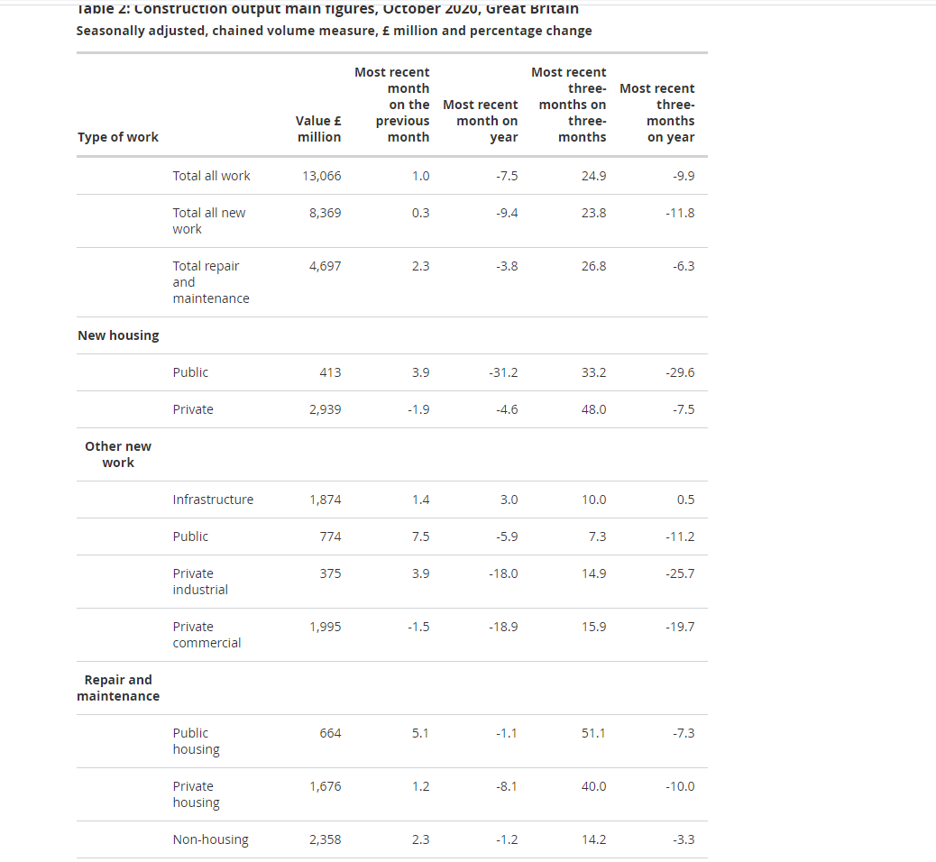
https://www.ons.gov.uk/businessindustryandtrade/constructionindustry/datasets/newordersintheconstructionindustry
https://www.ons.gov.uk/businessindustryandtrade/constructionindustry/bulletins/constructionoutputingreatbritain/october2020
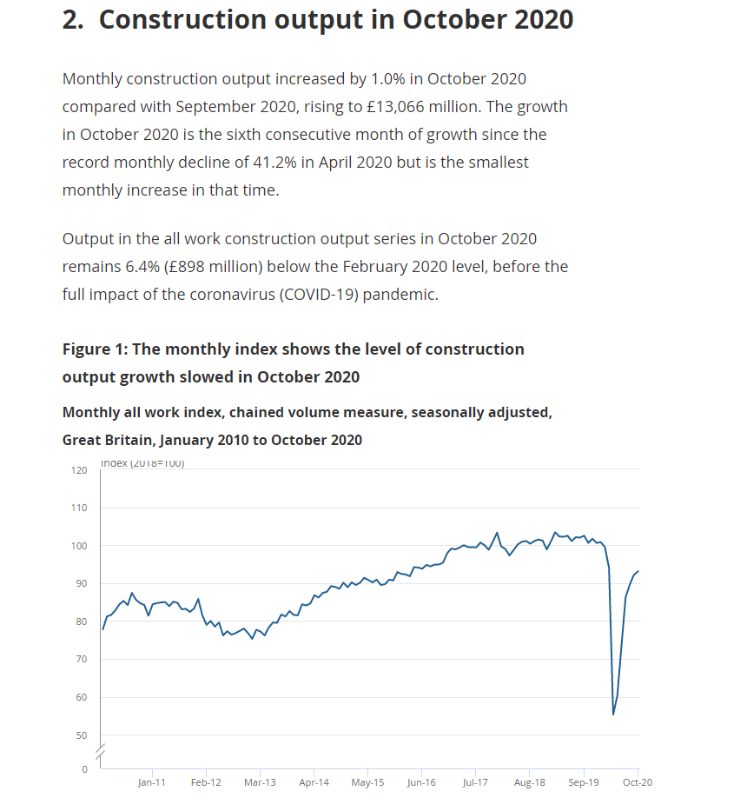
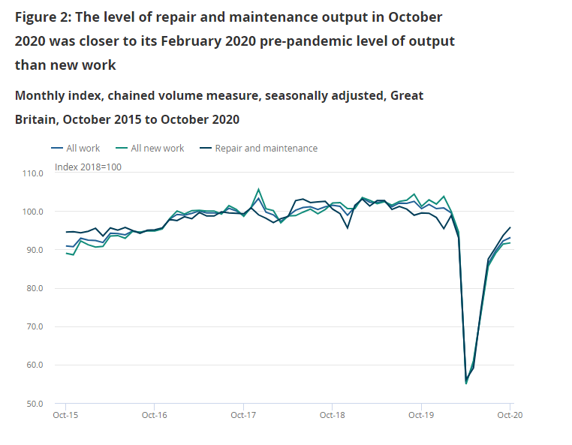
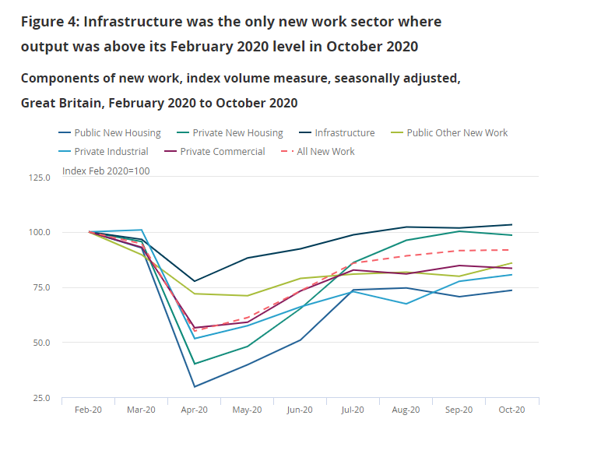
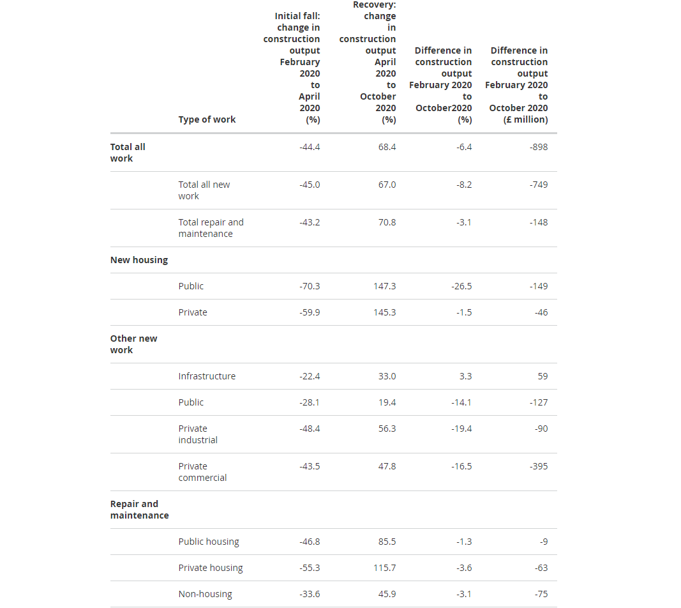

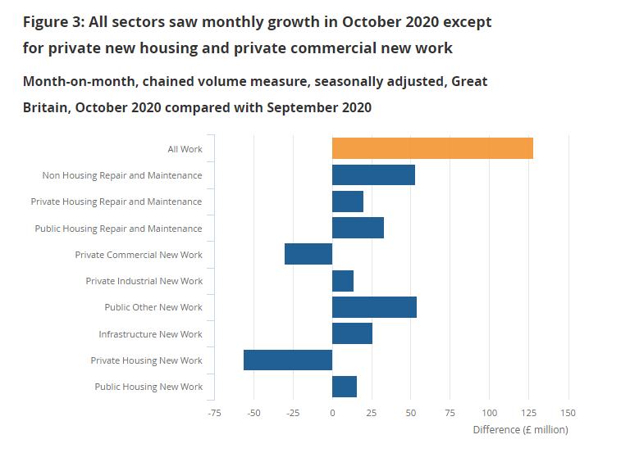
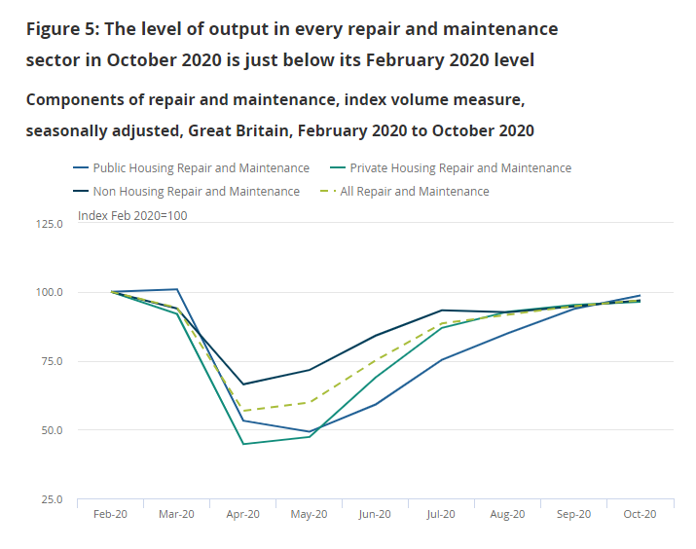

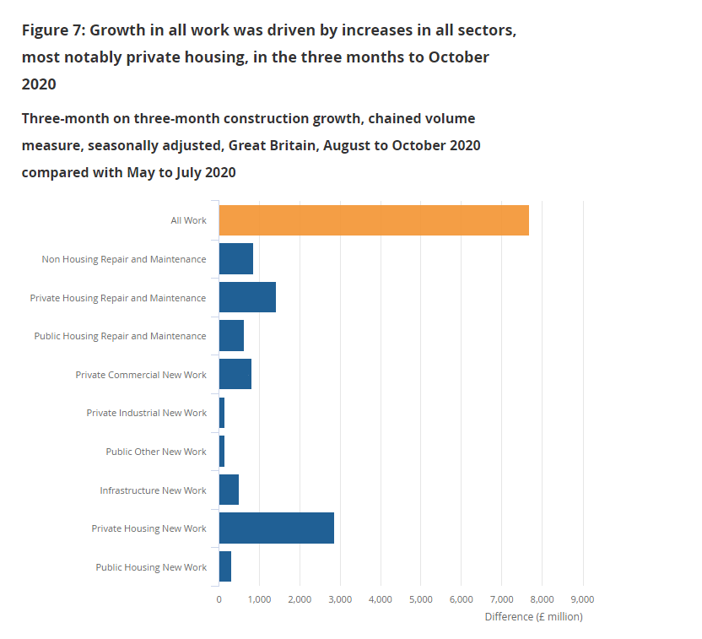

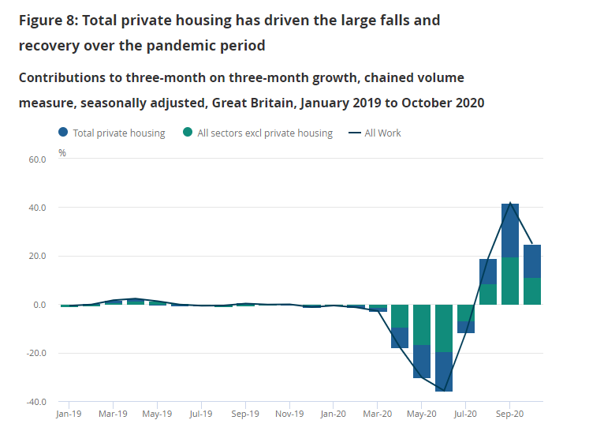

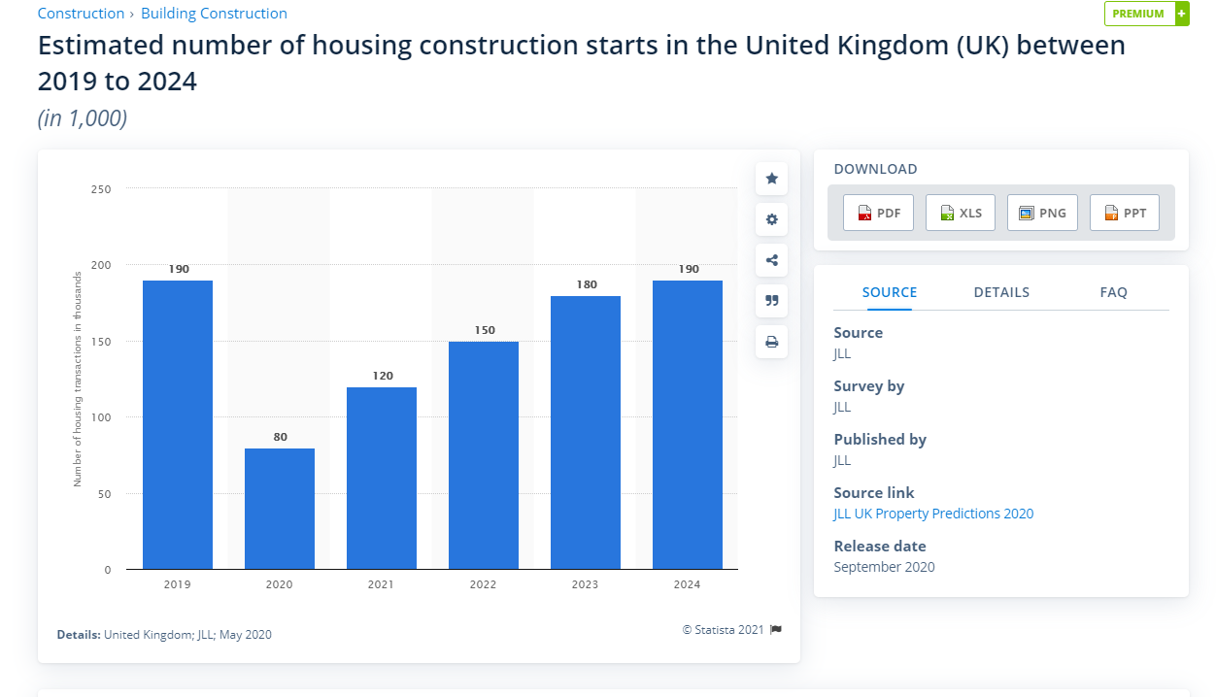
https://www.statista.com/outlook/8900/156/construction/united-kingdom

